FT-PT Status
Fall Enrollment History by Enrollment Status (full or part time)

 |  |  |  |  |  |  |  |  |  |  |  |  | 10 Yr | Pre-Covid
 |  |  |  |  |  |  |  |  |  |  |  |  | Delta | Delta
 |  | Fall 13 | Fall 14 | Fall 15 | Fall 16 | Fall 17 | Fall 18 | Fall 19 | Fall 20 | Fall 21 | Fall 22 | Total
 | Fulltime | 534 | 478 | 422 | 523 | 504 | 374 | 322 | 269 | 273 | 269 | 3968 | -49.6% | -39.7%
 | Parttime | 1327 | 1374 | 1509 | 1267 | 1448 | 1417 | 1599 | 934 | 1088 | 1404 | 13367 | 5.8% | 20.5%
 |  | 1861 | 1852 | 1931 | 1790 | 1952 | 1791 | 1921 | 1203 | 1361 | 1673 | 17335 | -10.1% | 3.2%

Fall Enrollment 2013-2022: Full time and Part time Headcount

4-Aug-23 | (retrieved from IPEDS)

Gender-FT-PT
Enrollment History by Enrollment Status (full or part time) and Gender

 |  |  |  |  |  |  |  |  |  |  |  |  |  | 10 Yr | Pre-Covid
 |  |  |  |  |  |  |  |  |  |  |  |  |  | Delta | Delta
 | Gender |  | Fall 13 | Fall 14 | Fall 15 | Fall 16 | Fall17 | Fall 18 | Fall 19 | Fall 20 | Fall 21 | Fall 22 | Total
 | Female | Fulltime | 374 | 340 | 290 | 339 | 325 | 257 | 215 | 192 | 186 | 183 | 2701 | -51% | -42.5%
 |  | Parttime | 847 | 850 | 912 | 767 | 860 | 858 | 976 | 650 | 736 | 890 | 8346 | 5% | 15.2%
 | Male | Fulltime | 160 | 138 | 132 | 184 | 179 | 117 | 107 | 77 | 87 | 86 | 1267 | -46% | -33.1%
 |  | Parttime | 480 | 524 | 597 | 500 | 588 | 559 | 623 | 284 | 352 | 514 | 5021 | 7% | 29.8%
 |  | Total | 1861 | 1852 | 1931 | 1790 | 1952 | 1791 | 1921 | 1203 | 1361 | 1673 | 17335

Fall Enrollment 2013-2022: Gender by Full time or Part time Status

4-Aug-23 | (retrieved from IPEDS)

Ethnicity
Fall Enrollment History: Student Ethnicity

 |  |  |  |  |  |  |  |  |  |  |  |  |  | 10 Yr | Pre-Covid
 |  |  | Fall 13 | Fall 14 | Fall 15 | Fall 16 | Fall 17 | Fall 18 | Fall 19 | Fall 20 | Fall 21 | Fall 22 | Total | Delta | Delta
 | Ethnicity
 |  | 0-Other | 0 | 0 | 0 | 0 | 0 | 0 | 0 | 0 | 0 | 0 | 0 | 0% | 0%
 |  | 1-White | 736 | 729 | 738 | 630 | 694 | 621 | 544 | 371 | 367 | 450 | 5880 | -39% | -26%
 |  | 2-Black or African American | 33 | 21 | 29 | 25 | 26 | 34 | 32 | 16 | 16 | 21 | 253 | -36% | -3%
 |  | 3-Hispanic | 939 | 924 | 1011 | 915 | 1055 | 1002 | 1042 | 690 | 800 | 989 | 9367 | 5% | 11%
 |  | 4-Asian | 11 | 23 | 14 | 16 | 18 | 14 | 20 | 18 | 14 | 21 | 169 | 91% | 82%
 |  | 5-American Indian | 20 | 36 | 17 | 17 | 25 | 15 | 17 | 11 | 14 | 24 | 196 | 20% | -15%
 |  | 6-Non-resident alien | 19 | 15 | 20 | 25 | 37 | 43 | 39 | 31 | 24 | 25 | 278 | 32% | 105%
 |  | 7-Native Hawaiian/Pacific | 2 | 2 | 3 | 0 | 1 | 0 | 1 | 0 | 1 | 3 | 13 | 50% | -50%
 |  | 8-Two or More Races | 23 | 25 | 23 | 25 | 22 | 22 | 21 | 23 | 21 | 36 | 241 | 57% | -9%
 |  | 9-No Response/Unknown | 78 | 77 | 76 | 137 | 74 | 40 | 205 | 43 | 104 | 104 | 938 | 33% | 163%
 | Total |  | 1861 | 1852 | 1931 | 1790 | 1952 | 1791 | 1921 | 1203 | 1361 | 1673 | 17335 | -10% | 3%

 |  |  | Fall 13 | Fall 14 | Fall 15 | Fall 16 | Fall 17 | Fall 18 | Fall 19 | Fall 20 | Fall 21 | Fall 22
 |  | White | 736 | 729 | 738 | 630 | 694 | 621 | 544 | 371 | 367 | 450 |  | -39% | -26%
 |  | Hispanic | 939 | 924 | 1011 | 915 | 1055 | 1002 | 1042 | 690 | 800 | 989 |  | 5% | 11%
 |  | Other Races | 186 | 199 | 182 | 245 | 203 | 168 | 335 | 142 | 194 | 234 |  | 26% | 80%

Fall Enrollment 2013-2022: Student Ethnicity

4-Aug-23 | (retrieved from IPEDS)

Gender
Fall Enrollment History: Student Gender

 |  |  |  |  |  |  |  |  |  |  |  |  |  | 10 Yr | Pre-Covid
 |  |  | Fall 13 | Fall 14 | Fall 15 | Fall 16 | Fall 17 | Fall 18 | Fall 19 | Fall 20 | Fall 21 | Fall 22 | Total | Delta | Delta
 | Gender | Female | 1221 | 1190 | 1202 | 1106 | 1185 | 1115 | 1191 | 842 | 922 | 1073 | 11047 | -12.1% | -2.5%
 |  | Male | 640 | 662 | 729 | 684 | 767 | 676 | 730 | 361 | 439 | 600 | 6288 | -6.3% | 14.1%
 | Total |  | 1861 | 1852 | 1931 | 1790 | 1952 | 1791 | 1921 | 1203 | 1361 | 1673 | 17335 | -10.1% | 3.2%

Fall Enrollment 2013-2022: Male and Female Headcount

4-Aug-23 | (retrieved from IPEDS)

Loan Status
Fall Enrollment History: Students with Loans

 |  |  |  |  |  |  |  |  |  |  |  |  | 10 Yr | Pre-Covid
 |  | Fall 12 | Fall 13 | Fall 14 | Fall 15 | Fall 16 | Fall 17 | Fall 18 | Fall 19 | Fall 20 | Fall 21 | Total | Delta | Delta
 | No Loan | 1584 | 1547 | 1592 | 1701 | 1610 | 1785 | 1620 | 1761 | 1120 | 1340 | 14076 | -15.4% | 11.2%
 | Loan | 476 | 314 | 260 | 230 | 180 | 167 | 171 | 160 | 83 | 21 | 1586 | -95.6% | -66.4%
 | % of Loan | 30.05% | 20.3% | 16.3% | 13.5% | 11.2% | 9.4% | 10.6% | 9.1% | 7.4% | 1.6% | 11.3%
 |  | 2060 | 1861 | 1852 | 1931 | 1790 | 1952 | 1791 | 1921 | 1203 | 1361 | 15662 | -33.9% | -6.7%

Fall Enrollment 2012-2021: Loan Status and % of Loan Enrollment

4-Aug-23 | (retrieved from IPEDS)

Pell Status
Fall Enrollment History: Students with Pell Funding

 |  |  |  |  |  |  |  |  |  |  |  |  | 10 Yr | Pre-Covid
 |  |  |  |  |  |  |  |  |  |  |  |  | Delta | Delta
 |  | Fall 12 | Fall 13 | Fall 14 | Fall 15 | Fall 16 | Fall 17 | Fall 18 | Fall 19 | Fall 20 | Fall 21 | Total
 | No Pell | 1307 | 1276 | 1326 | 1486 | 1334 | 1527 | 1369 | 1520 | 892 | 1186 | 11916 | -9.3% | 16.3%
 | Pell | 753 | 585 | 526 | 445 | 456 | 425 | 422 | 401 | 311 | 175 | 3746 | -76.8% | -46.7%
 | % of Pell | 57.6% | 45.8% | 39.7% | 29.9% | 34.2% | 27.8% | 30.8% | 26.4% | 34.9% | 14.8% | 31.4%
 |  | 2060 | 1861 | 1852 | 1931 | 1790 | 1952 | 1791 | 1921 | 1203 | 1361 | 15662 | -33.9% | -6.7%

Fall Enrollment 2012-2021: Pell Status and % of Pell Enrollment

4-Aug-23 | (retrieved from IPEDS)

Age Distribution
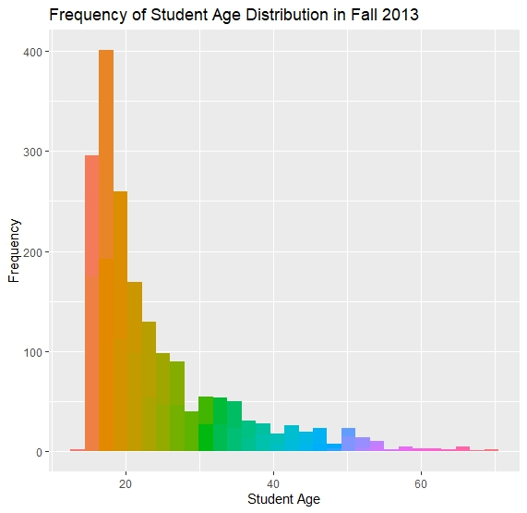
Change in Age Distribution 2013 and 2022

Student Age

 |  | Descriptive Statistics for Student Age (Fall 2013)
 | Minimum | 14
 | Maximum | 70
 | Mean | 24
 | Std. Deviation | 9.76
 | Total | 1868

 |  | Descriptive Statistics for Student Age (Fall 2022)
 | Minimum | 17
 | Maximum | 68
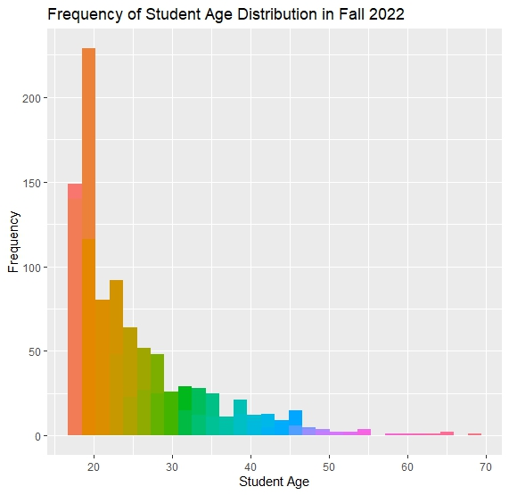
 | Mean | 25
 | Std. Deviation | 8.5
 | Total | 927

4-Aug-23 | (retrieved from NMSU census date data source)

